END mills order
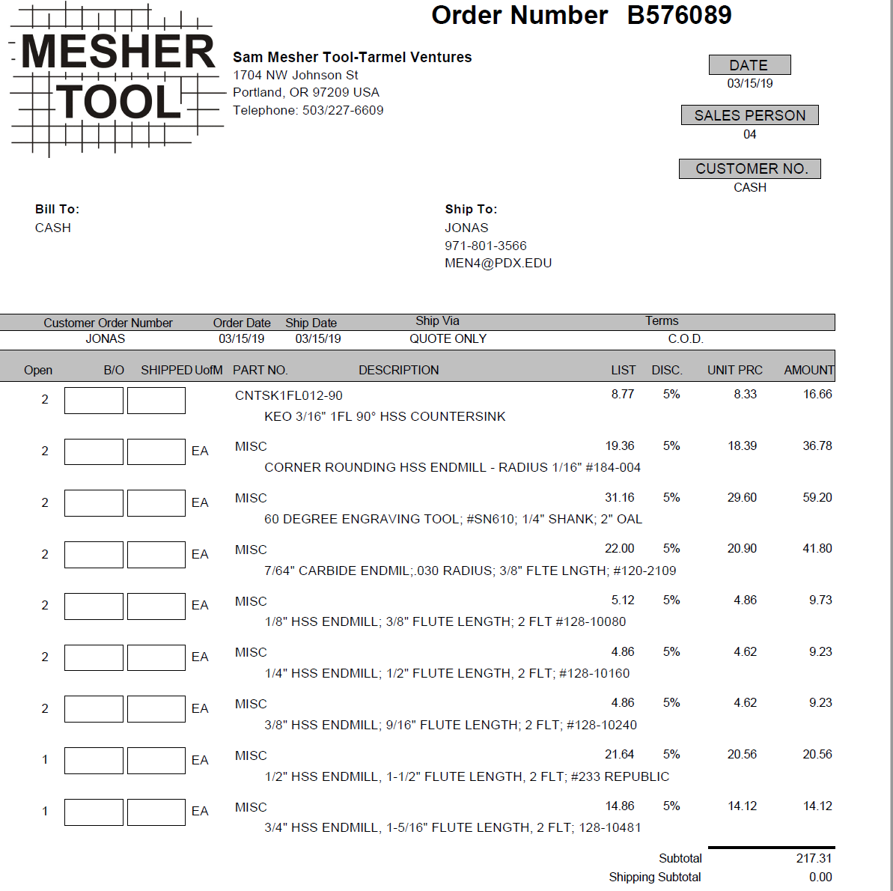

CALL OR EMAIL DARREN FROM MESHER TOOLS Sam A. Mesher Tool Company 1704 NW Johnson St Portland OR 97209 (503) 227-6609 Fax (503) 227-7159 meshertool@gmail.com

